Sheet1
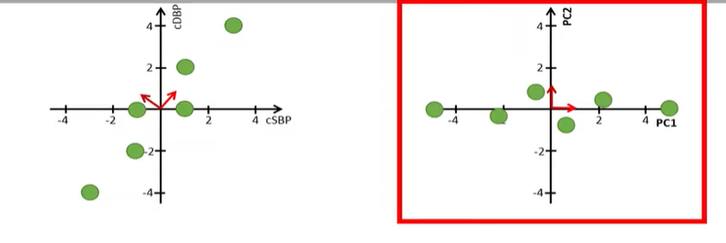
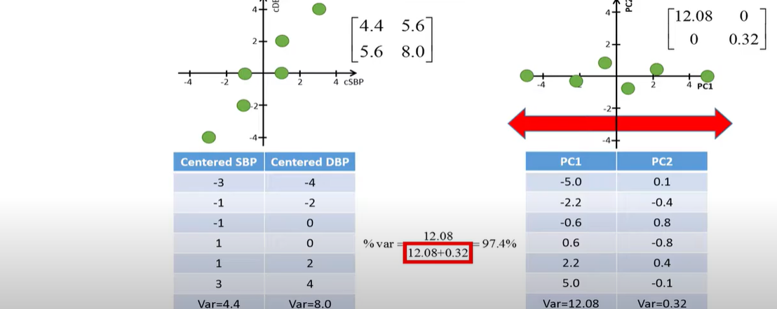
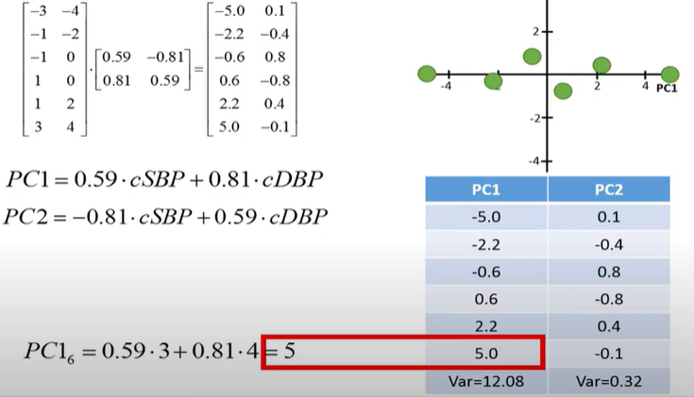
systolic BP | diastolic BP | step1 | systolic BP | diastolic BP
126 | 78 | Normalize | -3 | -4
128 | 80 |  | -1 | -2
128 | 82 |  | -1 | 0
130 | 82 |  | 1 | 0
130 | 84 |  | 1 | 2
132 | 86 |  | 3 | 4

129 | 82 |  | 0 | 0

 |  | step2 |  | s | d
 |  | matrix | s | 4.4 | 5.6
 |  |  | d | 5.6 | 8

 |  | step3 | det|a-lambaI|=0
 |  | eigen
 |  |  |  | 1.8 | 5.6 | - | lambda | 0 | = | 0
 |  |  |  | 5.6 | 3.2 |  | 0 | lambda

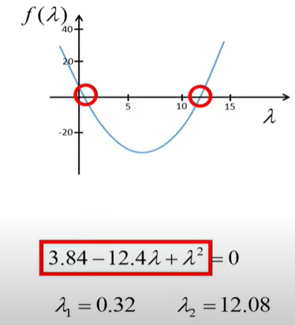
 |  |  |  | 1.8 -lambda | 5.6 |  | (1.8-y)(3.2-y)-5.6*5.6
 |  |  |  | 5.6 | 3.2-lambda

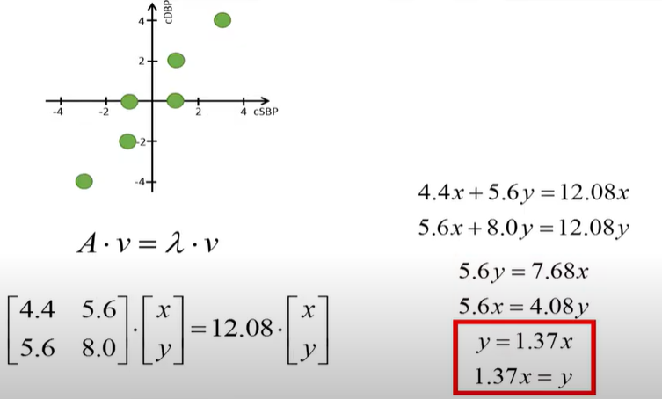
 |  | step 4
 |  | Eigen Vectors

 | z^2=1^2+1.37^2
 | z=1.7
 | divide 1/1.7=0.59

 |  | eigen vector
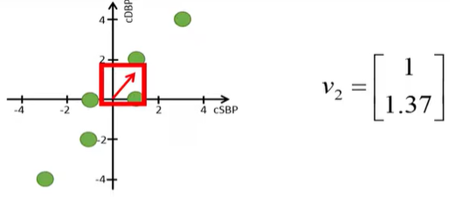

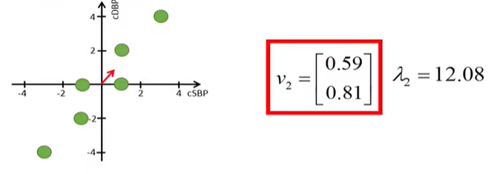
 |  |  | normalize
 |  |  | to unity

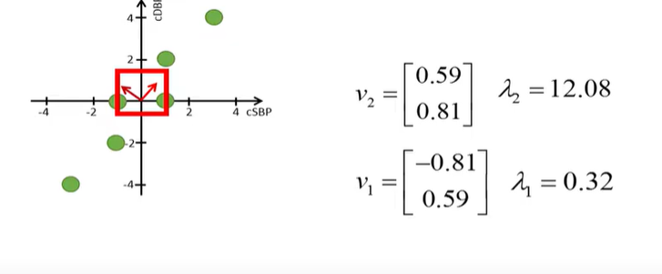

 |  |  |  | Eigen vector are orthogonals because the covariance is symmetric

 |  | pca

